2025 LSPHC Entry Form
Track Points for High Point Awards: |  | Novice/Amateur |  |  |  | Mare, Stallion or Gelding | Junior
List Horse or Rider Name under award:
 |  |  |  |  |  |  |  |  | Regular Class |  | Junior Class |  | Best Gaited/Best Bozal |  | Championship |  | Champion of Champions | *if only class enered ($165)
Office use | Name of Horse | Reg. # | Age | Sex | Class Numbers |  | Rider / Handler | # Regular Classes | Class Fee | #Junior Classes | Class Fee | #Best Gaited/Best Bozal Classes | Class Fee | #Championship Classes | Class Fee | #COC Classes | Class Fee* | Total
 |  |  |  |  |  |  |  |  | $75.00 |  | $50.00 |  | $110.00 |  | $100.00 |  | $135.00 | $0.00
 |  |  |  |  |  |  |  |  | $75.00 |  | $50.00 |  | $110.00 |  | $100.00 |  | $135.00 | $0.00
 |  |  |  |  |  |  |  |  | $75.00 |  | $50.00 |  | $110.00 |  | $100.00 |  | $135.00 | $0.00
 |  |  |  |  |  |  |  |  | $75.00 |  | $50.00 |  | $110.00 |  | $100.00 |  | $135.00 | $0.00
 |  |  |  |  |  |  |  |  | $75.00 |  | $50.00 |  | $110.00 |  | $100.00 |  | $135.00 | $0.00
 |  |  |  |  |  |  |  |  | $75.00 |  | $50.00 |  | $110.00 |  | $100.00 |  | $135.00 | $0.00
 |  |  |  |  |  |  |  |  | $75.00 |  | $50.00 |  | $110.00 |  | $100.00 |  | $135.00 | $0.00
 |  |  |  |  |  |  |  |  | $75.00 |  | $50.00 |  | $110.00 |  | $100.00 |  | $135.00 | $0.00
 |  |  |  |  |  |  |  |  | $75.00 |  | $50.00 |  | $110.00 |  | $100.00 |  | $135.00 | $0.00
 |  |  |  |  |  |  |  |  | $75.00 |  | $50.00 |  | $110.00 |  | $100.00 |  | $135.00 | $0.00
 |  |  |  |  |  |  |  |  | $75.00 |  | $50.00 |  | $110.00 |  | $100.00 |  | $135.00 | $0.00
 |  |  |  |  |  |  |  |  | $75.00 |  | $50.00 |  | $110.00 |  | $100.00 |  | $135.00 | $0.00
 |  |  |  |  |  |  |  |  | $75.00 |  | $50.00 |  | $110.00 |  | $100.00 |  | $135.00 | $0.00
 |  |  |  |  |  |  |  |  | $75.00 |  | $50.00 |  | $110.00 |  | $100.00 |  | $135.00 | $0.00
 |  |  |  |  |  |  |  |  | $75.00 |  | $50.00 |  | $110.00 |  | $100.00 |  | $135.00 | $0.00
 |  |  |  |  |  |  |  |  |  |  |  |  |  |  | Total Class Fees |  |  | $0.00
Past Champions, Past Champions of Champions & National Champion of Champions: Please enter title won, year & show
Office use | Horse Name | Reg # | Age | Sex | Class Number(s) |  | Rider

 | Title: (champion, ch of ch.): |  | Division: |  | Show: |  | c
 |  |  |  |  |  |  |  |  | Enter Fees above
 | Title: (champion, ch of ch.): |  | Division: |  | Show:
 |  |  |  |  |  |  |  |  | Enter Fees above
 | Title: (champion, ch of ch.): |  | Division: |  | Show:
 |  |  |  |  |  |  |  |  | Enter Fees above
 | Title: (champion, ch of ch.): |  | Division: |  | Show:
 |  |  |  |  |  |  |  |  | Enter Fees above
 | Title: (champion, ch of ch.): |  | Division: |  | Show: |  | d
 |  |  |  |  |  |  |  |  | Enter Fees above
 | Title: (champion, ch of ch.): |  | Division: |  | Show:
 |  |  |  |  |  |  |  |  | Enter Fees above
 | Title: (champion, ch of ch.): |  | Division: |  | Show:

 | Lodging During Show: |  |  |  |  | Arrival Date/Time:
 | Contact Number During Show: |  |  |  |  | Stable With:

NOTE: PLEASE DO NOT SEND THIS SHEET BY ITSELF! Your ENTRY IS NOT COMPLETE UNLESS REGISTRATON COPIES
& FULL PAYMENT ARE ENCLOSEDAND THE ENTIRE ENTRY FORM, BOTH SIDES, IS COMPLETED AND SIGNED.
One Owner Per Entry Form. Email Entries to: Nicole Pichel npichel99@gmail.com
Mailing Address:
Make Checks Payable to LSPHC or we can send you an invoice by Square to pay with a credit card.
General Fees |  | Number | Cost | Total
Horse Stalls Wednesday- Monday 6 am (including 4 bales of shavings) |  |  | $195.00 | $0.00
Tack Stalls (no shavings included) |  |  | $140.00 | $0.00
Shavings: 13/bag, available to pre-order. No outside shavings allowed |  |  | $13.00 | $0.00
Drug Fee Per Horse (Mandatory) |  |  | $20.00 | $0.00
Office Fee Per Horse (Mandatory) |  |  | $25.00 | $0.00
Late Fees after 03/10/2026 per Horse |  |  | $40.00 | $0.00
RV Parking per night |  |  | $45.00 | $0.00
RV Dump fee |  |  | $20.00 | $0.00
Friday Banquet Adults |  |  | $40.00 | $0.00
Friday Banquet Kids under 15 |  |  | $20.00 | $0.00
Vendor Booth |  |  | $150.00 | $0.00
 | Total General Fees |  |  | $0.00

Sponsorships |  | Number | Cost | Total
1 Class Sponsorship |  |  | $30.00 | $0.00
Special Rate- 2 classes for $50 |  |  | $50.00 | $0.00
Special Rate 3 classes for $65 |  |  | $65.00 | $0.00
Championship Classes (1) |  |  | $65.00 | $0.00
Championship Classes (2) |  |  | $85.00 | $0.00
Championship Classes (3) |  |  | $110.00 | $0.00
Best Bozal |  |  | $65.00 | $0.00
Best Gaited Horse of Show |  |  | $65.00 | $0.00
Champion of Champions |  |  | $65.00 | $0.00
High Point Awards |  |  | $50.00 | $0.00
 | Total Sponsorships |  |  | $0.00

 | Class Fees From Above |  |  | $0.00

 | Grand Total Show Bill |  |  | $0.00

 | Billing Address:
 | Email Adderss for Billing:

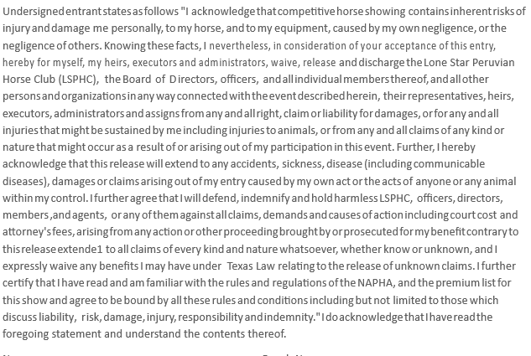

Name: |  | Ranch Name:
Address: |  | Phone:
Email:

Minor's Name:

Parent or Guardian | Please Print and Sign:
Child's Birthday: |  | Age for Show Purposes

